Question1
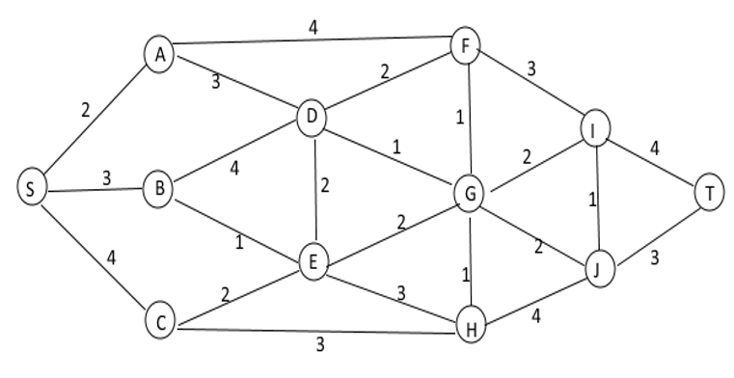
From | To | Distance | Go | Nodes | Constraints
S | A | 2 | 1 | S | 1 | = | 1
S | B | 3 | 0 | A | 0 | = | 0
S | C | 4 | 0 | B | 0 | = | 0
A | D | 3 | 1 | C | 0 | = | 0
A | F | 4 | 0 | D | 0 | = | 0
B | D | 4 | 0 | E | 0 | = | 0
B | E | 1 | 0 | F | 0 | = | 0
C | E | 2 | 0 | G | 0 | = | 0
C | H | 3 | 0 | H | 0 | = | 0
D | A | 3 | 0 | I | 0 | = | 0
D | B | 4 | 0 | J | 0 | = | 0
D | E | 2 | 0 | T | -1 | = | -1
D | F | 2 | 0
D | G | 1 | 1 | Objective
E | B | 1 | 0 | Min: | 11
E | C | 2 | 0
E | D | 2 | 0
E | G | 2 | 0
E | H | 3 | 0
G | D | 1 | 0
G | E | 2 | 0
G | H | 1 | 0
G | F | 1 | 0
G | I | 2 | 0
G | J | 2 | 1
F | A | 4 | 0
F | D | 2 | 0
F | G | 1 | 0
F | I | 3 | 0
H | E | 3 | 0
H | G | 1 | 0
H | C | 3 | 0
H | J | 4 | 0
I | F | 3 | 0
I | G | 2 | 0
I | J | 1 | 0
I | T | 4 | 0
J | I | 1 | 0
J | G | 2 | 0
J | H | 4 | 0
J | T | 3 | 1

Question2
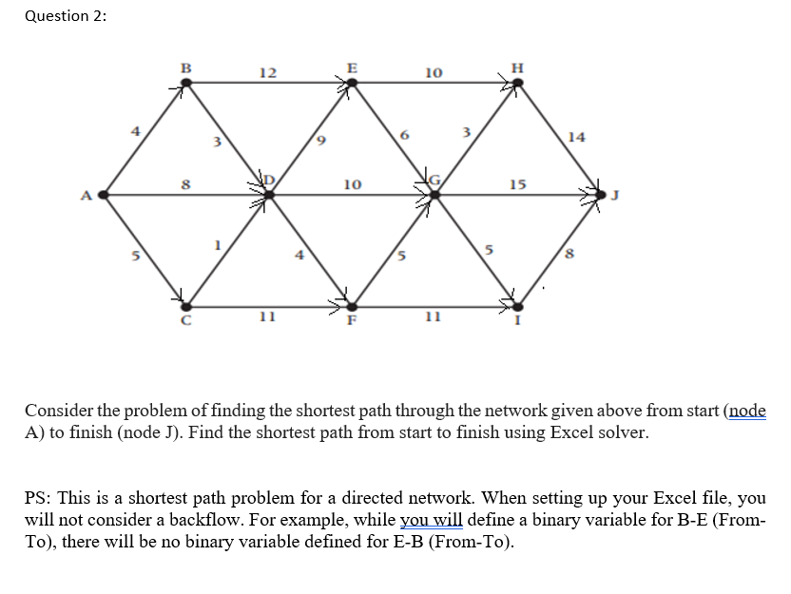
From | To | Distance | Go | Nodes | Constraints
A | B | 4 | 0 | A | 1 | = | 1
A | D | 8 | 0 | B | 0 | = | 0
A | C | 5 | 1 | C | 0 | = | 0
B | D | 3 | 0 | D | 0 | = | 0
B | E | 12 | 0 | E | 0 | = | 0
C | D | 1 | 1 | F | 0 | = | 0
C | F | 11 | 0 | G | 0 | = | 0
D | E | 9 | 0 | H | 0 | = | 0
D | F | 4 | 1 | I | 0 | = | 0
D | G | 10 | 0 | J | -1 | = | -1
E | H | 10 | 0
E | G | 6 | 0
F | G | 5 | 1
F | I | 11 | 0 | Objective
G | H | 3 | 0 | Min: | 28
G | J | 15 | 0
G | I | 5 | 1
H | J | 14 | 0
I | J | 8 | 1

Question3
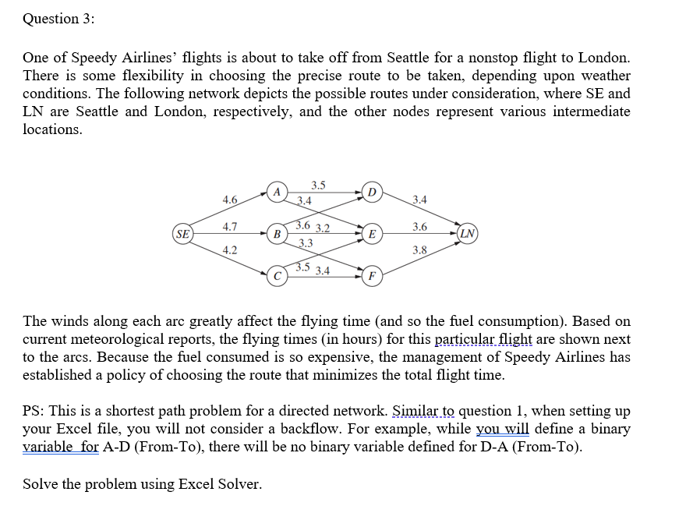
From | To | Distance | Go | Nodes | Constraints
SE | A | 4.6 | 0 | SE | 1 | = | 1
SE | B | 4.7 | 0 | A | 0 | = | 0
SE | C | 4.2 | 1 | B | 0 | = | 0
A | D | 3.5 | 0 | C | 0 | = | 0
A | E | 3.4 | 0 | D | 0 | = | 0
B | D | 3.6 | 0 | E | 0 | = | 0
B | E | 3.2 | 0 | F | 0 | = | 0
B | F | 3.3 | 0 | LN | -1 | = | -1
C | E | 3.5 | 1
C | F | 3.4 | 0
D | LN | 3.4 | 0
E | LN | 3.6 | 1
F | LN | 3.8 | 0
 |  |  |  | Objective
 |  |  |  | Min: | 11.3

